Analysis - RG


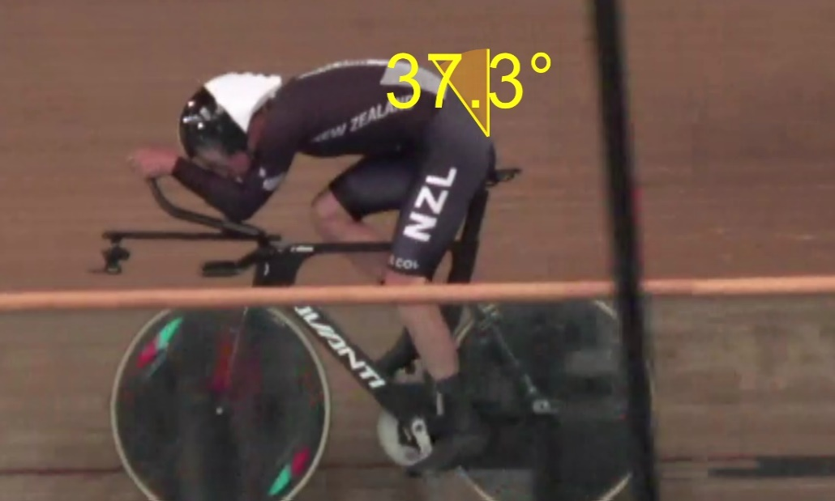
Baseline | 31.03.2023 | Run 2 | Run 3 | Run 4 | Run 5 | Run 6

